Welcome
Statistics for Business Analytics
Descriptive Statistics
Frequency Distribution of a Discrete Variable in Excel
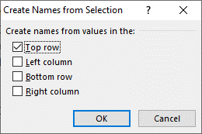
Jerzy Letkowski, Ph.D.

The sample shown on the next sheets in column A contain requests for service (arrivals) counts.
The arrivals have been random and independent
1. Name the sample range as Cnt (starting at A2 and going all the way down).
Select the data range, including the header (A1) and run command:
FORMULAS > Create from Selection > OK
2. Determine the domain for the Cnt variable.
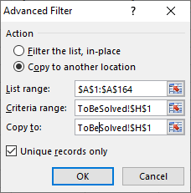
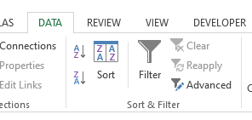
Here, we will use the domain, consisting of all unique values, contained in sample cnt.
(Theoretically the domain for such a variable in unbounded (0, +∞).)
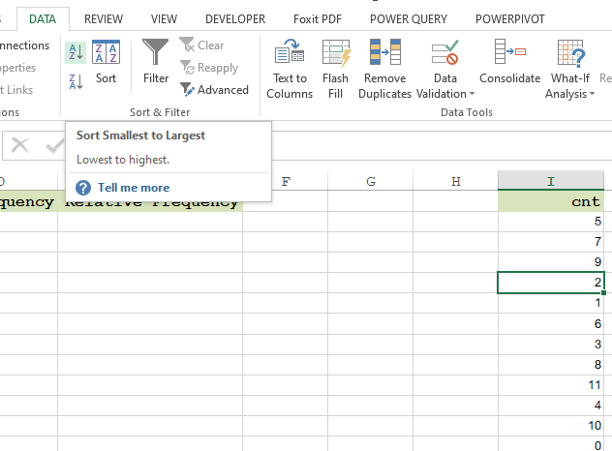
Sort
Use the Advanced Filter command to define the domain.
First copy the header of the sample to a [free] cell, for example, to H1.
Next, select (click) and cell within the sample range, for example, to A2.
Next, select ribbon DATA, followed by option Advanced (in the Sort & Filter section).
In the Advanced Filter form, click option Copy to another location.
For Criteria range, click on the cell, containing the copy of the sample's header (H1).
For Copy to, click on the same cell (I1).
Make sure that box Unique records only is checked and click OK.
The domain values are scrambled. We need to sort them in the ascending order.
With the DATA ribbon still opened, click on any cell in the obtained output within range
(H1:H13), and click the Sort A-Z button.
Finally, copy the values of the obtained domain to the frequency table's Domain column,
(from H2:H13 to C2) and name the values as CntDomain.
3. Generate the frequency distribution of the arrival-count variable (X).
Select the range immediately to the right of the Domain range (D2:D13), type
=COUNTIF(Cnt,CntDomain)
and press Ctrl+Enter.
Name frequency distribution range (D2:D13) as FrqDist.
4. Calculate the total sum of the frequencies right below the FrqDist range.
=SUM(FrqDist)
Name the cell, containing the total, as SampleSize.
5. Generate the relative frequency distribution of the evaluations.
Select the range immediately to the right of the FrqDist range, type
=FrqDist/SampleSize
and press Ctrl+Enter.
6. Display the relative frequency distribution, using a column chart.
Use range CntDomain for the X Axis and Relative Frequency (E2:E13) for Y Axis.

Sheet Solved shows a solution.

Solved
cnt | Domain | Frequency fn | Relative Frequency f | cnt | Note:
5 | 0 | 1 | 1.0% | 0 | The names on this sheet are modified
7 | 1 | 6 | 6.0% | 1 | so that they would not interfere with
5 | 2 | 6 | 6.0% | 2 | the names on sheet ToBeSolved.
9 | 3 | 7 | 7.0% | 3 | They are the same as suggested by the
7 | 4 | 16 | 16.0% | 4 | instruction except that they end with
2 | 5 | 22 | 22.0% | 5 | letter S.
7 | 6 | 16 | 16.0% | 6
# R Solution
# Get the sample from the Web document (src). Read them as integers and skip the first line (the header).
src = "http://doingstats.com/x/tier2/datashape/data/arrivals.txt"
cnt = scan(file=src, what=integer(), skip = 1)
cnt
[1] 5 7 5 9 7 2 7 7 1 6 6 6 3 6 5 5 8 7 6 1 7 11 4 6 5
[26] 7 5 4 4 1 6 4 5 4 3 1 8 5 7 5 5 5 4 9 2 4 7 3 6 4
[51] 2 7 2 6 9 7 6 1 9 9 3 6 9 4 4 4 9 6 5 4 5 3 4 6 10
[76] 5 4 5 4 6 5 8 0 5 6 5 8 5 3 1 5 6 8 5 2 3 2 10 4 5
# Using function table, count the existing counts.
frqDist = table(cnt)
frqDist
cnt
0 1 2 3 4 5 6 7 8 9 10 11
1 6 6 7 16 22 16 11 5 7 2 1
# Notice that this is a simple-based solution. We can't use the entire domain, since it is infinite.
# Get the relative frequency distribution.
f = frqDist/sum(frqDist)
f
cnt
0 1 2 3 4 5 6 7 8 9 10 11
0.01 0.06 0.06 0.07 0.16 0.22 0.16 0.11 0.05 0.07 0.02 0.01
# Visualize the relative frequency.
# Get the size of the frequency distribution.
n = length(f)
# Set the titles.
title = "Frequency Distribution of Service Request Counts"
yTitle = "Relative Frequency"
xTitle = "Service Request Count"
# Increase the range of the Y-axist by 5%. This is needed to make more room for data lables to be placed above the columns.
yRange = c(0, 1.05*max(f))
# Set random column colors (each of the R, G, B color components is set randomly between 45% and 85%).
clrs = rep(0,n)
for (ndx in 1:n) clrs[ndx] = rgb(runif(1,min=0.45,max=0.85), runif(1,min=0.45,max=0.85), runif(1,min=0.45, max=0.85))
# Change the chart's background color to "snow".
par(bg = "snow")
# Plot a column chart.
bp = barplot(f,ylab=yTitle, xlab=xTitle, main=title, ylim=yRange, col=clrs)
# Add the relative frequencies above the columns (font size = 80%).
text(x=bp, y=f, label=f, pos=3, cex=0.8)
7 | 7 | 11 | 11.0% | 7
1 | 8 | 5 | 5.0% | 8
6 | 9 | 7 | 7.0% | 9
6 | 10 | 2 | 2.0% | 10
6 | 11 | 1 | 1.0% | 11
3 | Total | 100
6
5
Relative Frequency of Service Request Count
5
8
7
6
1
7
11
4
6
5
7
5
4
4
1
6
4
5
4
3
1
8
5
7
5
5
5
4
9
2
4
7
3
6
4
2
7
2
6
9
7
6
1
9
9
3
6
9
4
4
4
9
6
5
4
5
3
4
6
10
5
4
5
4
6
5
8
0
5
6
5
8
5
3
1
5
6
8
5
2
3
2
10
4
5

